DSA
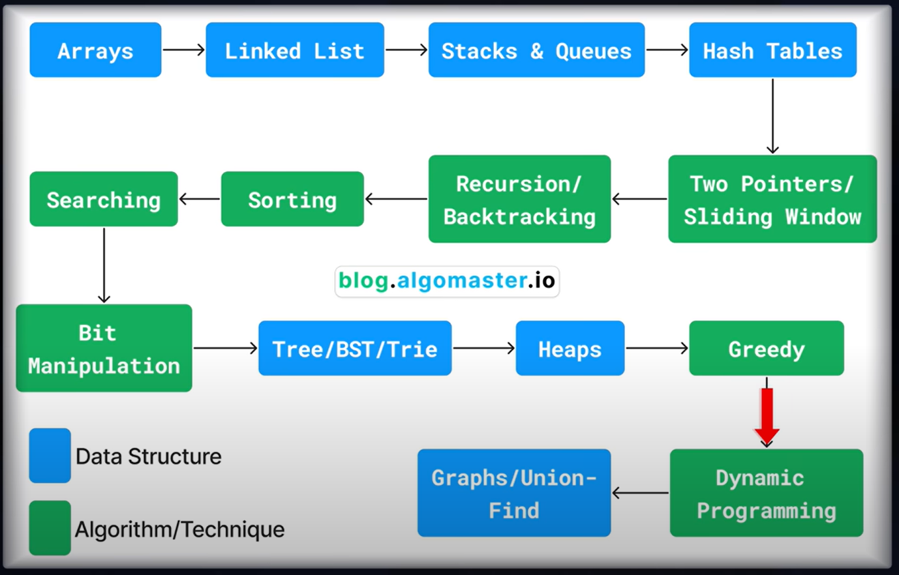
Sno. | Description | Link | Rating | Star Rating
1 | Dynamic Programming with Python | https://www.youtube.com/watch?v=_i4Yxeh5ceQ&t=262s | 3 | ⭐⭐⭐
2 | DSA Road Map | https://neetcode.io/roadmap | 5 | ⭐⭐⭐⭐⭐
3 | DSA Road Map with Leet code Question | https://algomap.io/
4 |  | https://blog.algomaster.io/t/dsa
 | Coursera Course | https://www.coursera.org/learn/algorithms-part1

